전체코인
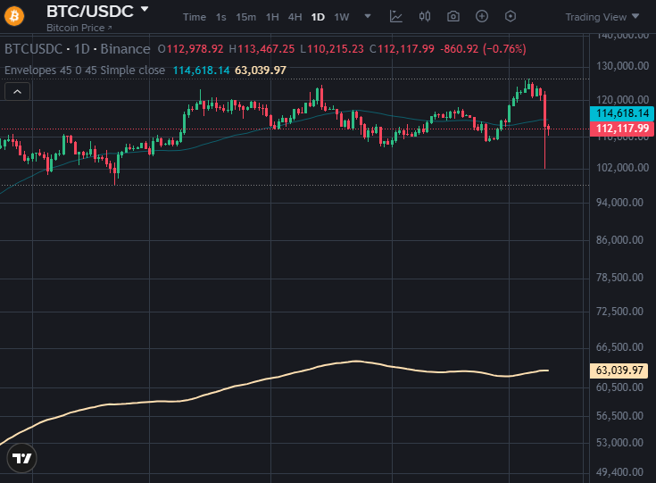
코인명 | 심볼 | 현재가 | SMA45 | Envelope하단 | 이격도(%)
Ethena | ENA | 0.396000 | 0.646673 | 0.355670 | 11.34%
Artificial Superintelligence Alliance | FET | 0.395000 | 0.600844 | 0.330464 | 19.53%
Bonk | BONK | 0.000014 | 0.000021 | 0.000012 | 22.38%
Arbitrum | ARB | 0.320800 | 0.466722 | 0.256697 | 24.97%
Render | RENDER | 2.4770 | 3.5628 | 1.9595 | 26.41%
Jupiter | JUP | 0.337400 | 0.483587 | 0.265973 | 26.86%
Uniswap | UNI | 6.1040 | 8.7378 | 4.8058 | 27.01%
Filecoin | FIL | 1.6530 | 2.3266 | 1.2796 | 29.18%
Pepe | PEPE | 0.000007 | 0.000010 | 0.000005 | 29.32%
Internet Computer | ICP | 3.2860 | 4.5835 | 2.5209 | 30.35%
Worldcoin | WLD | 0.931000 | 1.282956 | 0.705626 | 31.94%
Pudgy Penguins | PENGU | 0.022774 | 0.031196 | 0.017158 | 32.73%
Sei | SEI | 0.218700 | 0.296220 | 0.162921 | 34.24%
VeChain | VET | 0.017320 | 0.023354 | 0.012845 | 34.84%
Official Trump | TRUMP | 6.0200 | 8.0729 | 4.4401 | 35.58%
Cosmos Hub | ATOM | 3.2410 | 4.3226 | 2.3774 | 36.33%
Toncoin | TON | 2.2110 | 2.9451 | 1.6198 | 36.50%
Ethereum Classic | ETC | 15.31 | 19.81 | 10.90 | 40.49%
POL (ex-MATIC) | POL | 0.192800 | 0.249471 | 0.137209 | 40.52%
Polkadot | DOT | 3.1450 | 4.0367 | 2.2202 | 41.66%
Sui | SUI | 2.6805 | 3.4299 | 1.8864 | 42.09%
Hedera | HBAR | 0.175000 | 0.223336 | 0.122835 | 42.47%
Cardano | ADA | 0.656300 | 0.837340 | 0.460537 | 42.51%
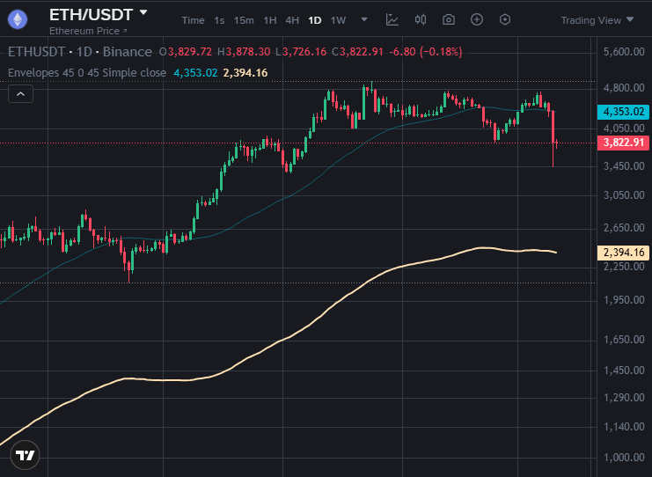
Chainlink | LINK | 17.98 | 22.59 | 12.42 | 44.73%
Ondo | ONDO | 0.753200 | 0.943044 | 0.518674 | 45.22%
Dogecoin | DOGE | 0.193450 | 0.242128 | 0.133171 | 45.26%
Avalanche | AVAX | 22.97 | 28.46 | 15.65 | 46.74%
Monero | XMR | 118.70 | 145.46 | 80.00 | 48.37%
Aave | AAVE | 239.17 | 292.52 | 160.89 | 48.66%
Shiba Inu | SHIB | 0.000010 | 0.000012 | 0.000007 | 50.57%
Binance Staked SOL | BNSOL | 195.90 | 234.52 | 128.99 | 51.88%
Solana | SOL | 182.91 | 218.61 | 120.24 | 52.13%
Algorand | ALGO | 0.190300 | 0.225853 | 0.124219 | 53.20%
Aptos | APT | 3.8160 | 4.5131 | 2.4822 | 53.73%
XRP | XRP | 2.4791 | 2.8962 | 1.5929 | 55.64%
Litecoin | LTC | 97.39 | 112.46 | 61.86 | 57.45%
NEAR Protocol | NEAR | 2.3870 | 2.7355 | 1.5045 | 58.65%
Ethereum | ETH | 3,824.09 | 4,353.05 | 2,394.18 | 59.72%
Stellar | XLM | 0.330400 | 0.375733 | 0.206653 | 59.88%
Bitcoin Cash | BCH | 522.00 | 578.18 | 318.00 | 64.15%
Quant | QNT | 90.77 | 100.07 | 55.04 | 64.92%
Bittensor | TAO | 307.30 | 327.46 | 180.10 | 70.63%
NEXO | NEXO | 1.1840 | 1.2606 | 0.6934 | 70.76%
TRON | TRX | 0.319700 | 0.338769 | 0.186323 | 71.58%
Bitcoin | BTC | 112,005.56 | 114,558.03 | 63,006.92 | 77.77%
USDS | USDS | 0.996800 | 0.998427 | 0.549135 | 81.52%
USDC | USDC | 0.999000 | 0.999502 | 0.549726 | 81.73%
USD1 | USD1 | 0.999100 | 0.999544 | 0.549749 | 81.74%
First Digital USD | FDUSD | 0.997300 | 0.997671 | 0.548719 | 81.75%
BFUSD | BFUSD | 0.999800 | 0.999358 | 0.549647 | 81.90%
PAX Gold | PAXG | 3,982.98 | 3,723.77 | 2,048.07 | 94.47%
BNB | BNB | 1,179.06 | 991.87 | 545.53 | 116.13%
Zcash | ZEC | 278.29 | 79.59 | 43.78 | 535.72%

